Sheet1
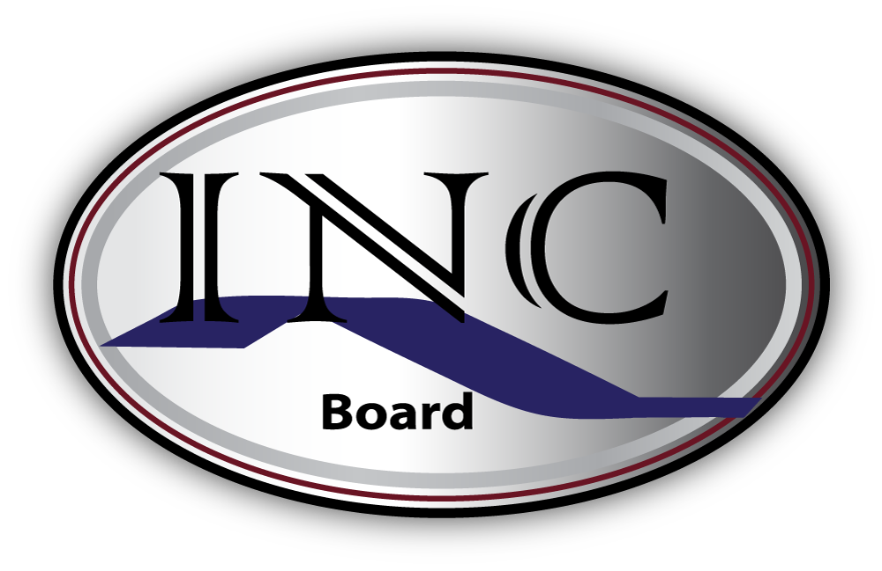
A Community Mental Health Funding Alliance
P.O. Box 935
400 Mercy Lane
Aurora, IL 60507
Ph: 630.892.5456
Fax: 855.209.3221

FY 2018 Invoice
To: Eileen Maryanski Fax: (855) 209-3221 Email: eileen@incboard.org

Agency: |  |  | TriCity Family Services |  |  |  |  |  |  | Program Name: |  | Family Connections |  |  |  | Date of Invoice:
Contact Name: |  |  |  |  |  |  |  |  |  | Phone #: |  |  |  |  |  | Email:
Session Date (mm/dd/yy) | Session Length (Hrs) | Aurora Township |  | Batavia Township |  | Big Rock Township |  | Blackberry Township |  | Kaneville Township |  | Sugar Grove Township |  | Virgil Township |  | Other Township |  | # of Volunteers | Cost of Paid Staff | Cost of Supplies | Other Admin Costs | Total Costs per Session
 |  | # attended | # seen for the 1st time | # attended | # seen for the 1st time | # attended | # seen for the 1st time | # attended | # seen for the 1st time | # attended | # seen for the 1st time | # attended | # seen for the 1st time | # attended | # seen for the 1st time | # attended | # seen for the 1st time
 |  |  |  |  |  |  |  |  |  |  |  |  |  |  |  |  |  |  |  |  |  | $0.00

 |  |  |  |  |  |  |  |  |  |  |  |  |  |  |  |  |  |  |  |  |  | $0.00

 |  |  |  |  |  |  |  |  |  |  |  |  |  |  |  |  |  |  |  |  |  | $0.00

 |  |  |  |  |  |  |  |  |  |  |  |  |  |  |  |  |  |  |  |  |  | $0.00

 |  |  |  |  |  |  |  |  |  |  |  |  |  |  |  |  |  |  |  |  |  | $0.00

 |  |  |  |  |  |  |  |  |  |  |  |  |  |  |  |  |  |  |  |  |  | $0.00

 |  |  |  |  |  |  |  |  |  |  |  |  |  |  |  |  |  |  |  |  |  | $0.00

 |  |  |  |  |  |  |  |  |  |  |  |  |  |  |  |  |  |  |  |  |  | $0.00

 |  |  |  |  |  |  |  |  |  |  |  |  |  |  |  |  |  |  |  |  |  | $0.00

 |  |  |  |  |  |  |  |  |  |  |  |  |  |  |  |  |  |  |  |  |  | $0.00

 |  |  |  |  |  |  |  |  |  |  |  |  |  |  |  |  |  |  |  |  |  | $0.00

 |  |  |  |  |  |  |  |  |  |  |  |  |  |  |  |  |  |  |  |  |  | $0.00

 |  |  |  |  |  |  |  |  |  |  |  |  |  |  |  |  |  |  |  |  |  | $0.00

 |  |  |  |  |  |  |  |  |  |  |  |  |  |  |  |  |  |  |  |  |  | $0.00

 |  |  |  |  |  |  |  |  |  |  |  |  |  |  |  |  |  |  |  |  |  | $0.00

GRAND TOTAL: |  | 0 | 0 | 0 | 0 | 0 | 0 | 0 | 0 | 0 | 0 | 0 | 0 | 0 | 0 | 0 | 0 | 0 | $0.00 | $0.00 | $0.00 | $0.00
Note: To be accepted for payment, form must be completed entirely and submitted electronically - no handwritten invoices will be accepted. Include both eligible and ineligible clients on the report and continue reporting even after maximum billable amount is reached. This will allow INC staff to assess the need for additional funding in subsequent funding years. Report is due by the 25th of each month with the final invoice due on 6/22/18. *** If payment has not been received within 45 days of submitting invoice, please contact INC staff immediately.

